Location Plan & Summary
Intelligent Data Collection Limited

Client: | Bristol City Council |  | Date of Survey: |  | 24.03.2015
Project Number: | ID02263 |  | Site Name: |  | St Andrew's Road
Site Number: | Site 2 |  | Survey Type: |  | Two-way Link Count

X Coordinate |  | Y Coordinate |  | Google Maps Link
51.518297 |  | -2.692757 |  | Click Here
AM Peak Conditions |  | Inter-Peak Conditions |  | PM Peak Conditions
Sunny |  | Partially cloudy |  | Cloudy
Junction Layout

N

 |  | Arm A - St Andrew's Road (N)

 |  |  |  |  |  | Arm B - St Andrew's Road (S)

Aerial Mapping and On-site Camera View
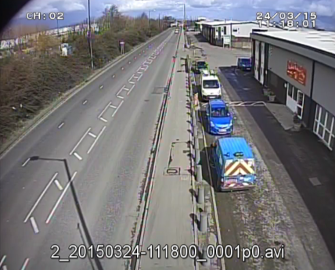
Arm A - St Andrew's Road (N)

Arm B - St Andrew's Road (S)

Junction Flow Profile
Arm Approach Flows (All Vehicles)
 | A to B (Southbound) | B to A (Northbound) | Two-way Total
0:00:00 | 17 | 7 | 24
0:15:00 | 26 | 18 | 44
0:30:00 | 10 | 14 | 24
0:45:00 | 10 | 13 | 23
1:00:00 | 23 | 14 | 37
1:15:00 | 23 | 14 | 37
1:30:00 | 11 | 15 | 26
1:45:00 | 7 | 11 | 18
2:00:00 | 14 | 12 | 26
2:15:00 | 9 | 17 | 26
2:30:00 | 17 | 24 | 41
2:45:00 | 25 | 20 | 45
3:00:00 | 15 | 21 | 36
3:15:00 | 24 | 22 | 46
3:30:00 | 24 | 21 | 45
3:45:00 | 20 | 27 | 47
4:00:00 | 18 | 29 | 47
4:15:00 | 36 | 39 | 75
4:30:00 | 35 | 34 | 69
4:45:00 | 43 | 42 | 85
5:00:00 | 45 | 42 | 87
5:15:00 | 45 | 59 | 104
5:30:00 | 50 | 102 | 152
5:45:00 | 71 | 107 | 178
6:00:00 | 107 | 89 | 196
6:15:00 | 74 | 96 | 170
6:30:00 | 68 | 100 | 168
6:45:00 | 101 | 175 | 276
7:00:00 | 102 | 130 | 232
7:15:00 | 87 | 138 | 225
7:30:00 | 100 | 141 | 241
7:45:00 | 120 | 194 | 314
8:00:00 | 105 | 135 | 240
8:15:00 | 100 | 159 | 259
8:30:00 | 102 | 138 | 240
8:45:00 | 100 | 148 | 248
9:00:00 | 82 | 111 | 193
9:15:00 | 80 | 99 | 179
9:30:00 | 85 | 109 | 194
9:45:00 | 95 | 89 | 184
10:00:00 | 89 | 92 | 181
10:15:00 | 89 | 89 | 178
10:30:00 | 87 | 118 | 205
10:45:00 | 99 | 95 | 194
11:00:00 | 82 | 110 | 192
11:15:00 | 88 | 100 | 188
11:30:00 | 94 | 86 | 180
11:45:00 | 106 | 121 | 227
12:00:00 | 107 | 107 | 214
12:15:00 | 91 | 101 | 192
...

Additional Notes (Factors which may impact on survey results such as accidents, roadworks, special events):

